Closing of Current Month
GOAL:

1. I make sure na lahat ng transaction sa PRAS is tumawid sa current month na yun kasi Sales/Expenses siya ng Company

Mga bandang hapon mag eemail si FIA to confirm ung setup nila sa GL_PERIOD at GL_DAILY_RATES

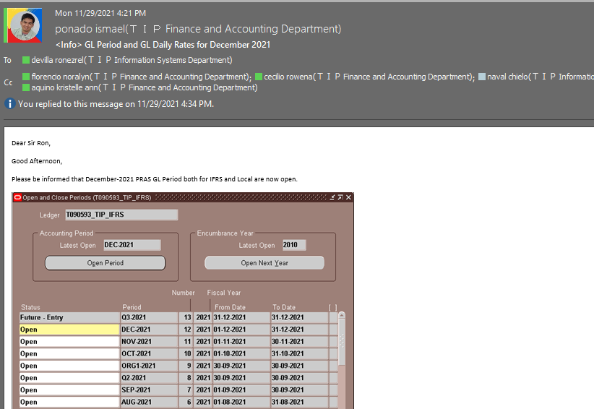

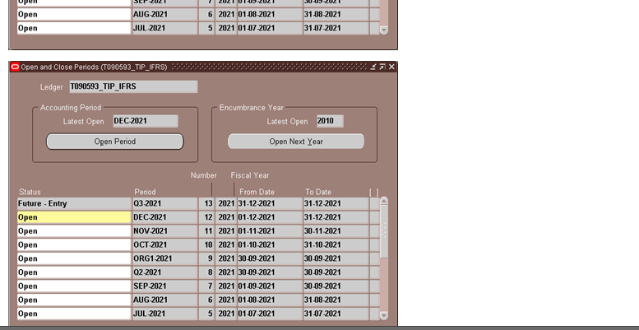

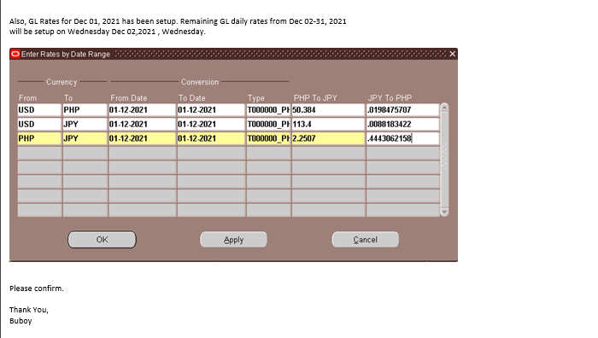

Execute this 2 script tapos send kay FIA ang OUTPUT |  |  | Path: Z:\ISD-IS3-Application\IS3 System Support\PRAS and HRMS Support\ORACLE PRAS\yy. Turnover\Ron Ezrel A. De VIlla\FIN\FIN\GL

 |  |  |  |  | Sample Email

 |  |  |  |  |  |  | KUNG JANUARY SYA NAG SET UP, PANG FEBRUARY ILALAGAY SA DATE

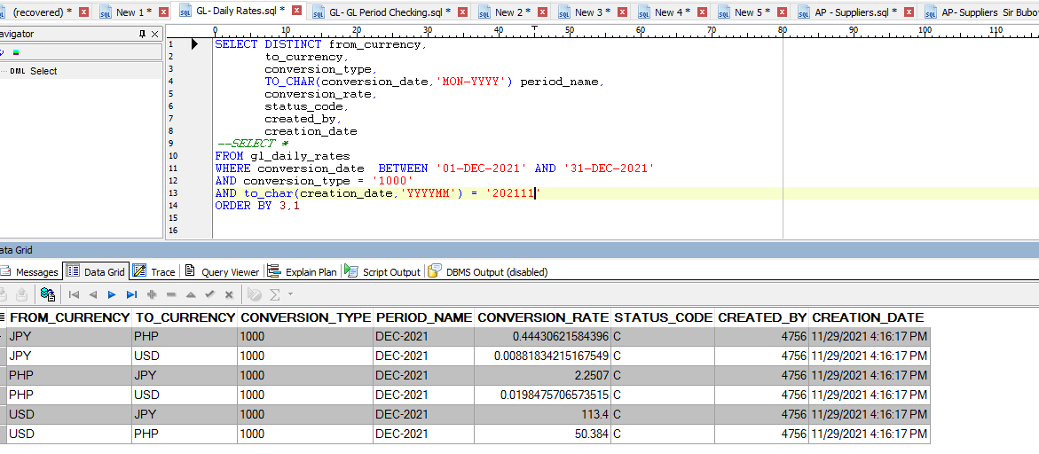

 |  |  |  |  |  | between first

2. Check nyo ung 5pm AR interface program make sure na wala error.
 | -if walang error good na ang AR, AP nalng aantayin |  |  | AP GAIA notif
 | -if may error then check then if need I manual run AR interface para tumawid ung error,,, FIA magrurun.

3. Check AP invoices,
 | -babantayan nyo lang ung email ni GAIA sa mga AP batches, make sure na wala din mageerror

 |  | -if may error, need I check then ma-resolve din ng same day

 |  | -if walang error, wait nyo lang matapos si FIA itawid lahat ng invoices sa AP, then if wala ng tinatawid pwede nyo na tanungin si FIA if okay na si AP para makauwi na

IA parameter maintenance
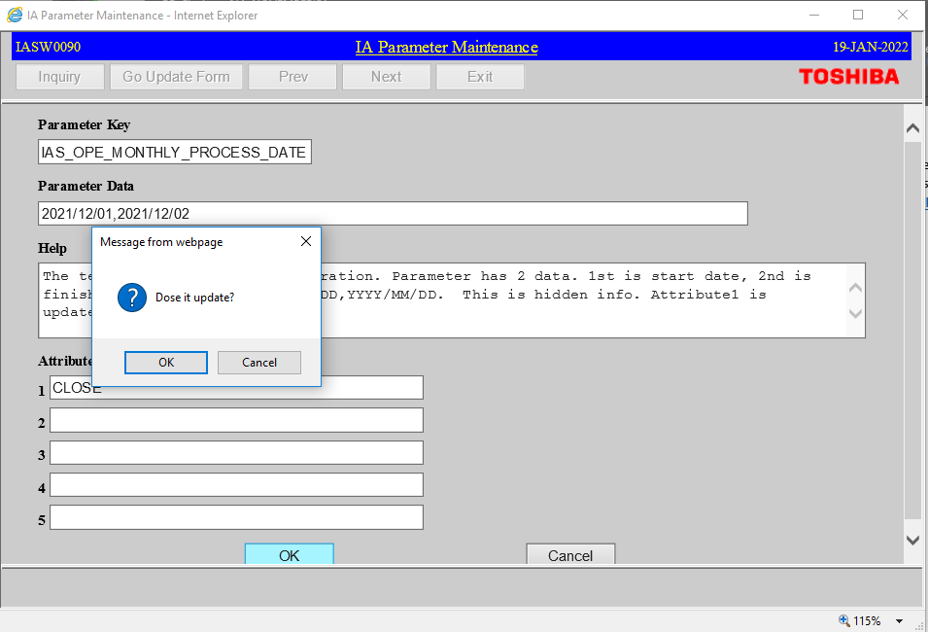
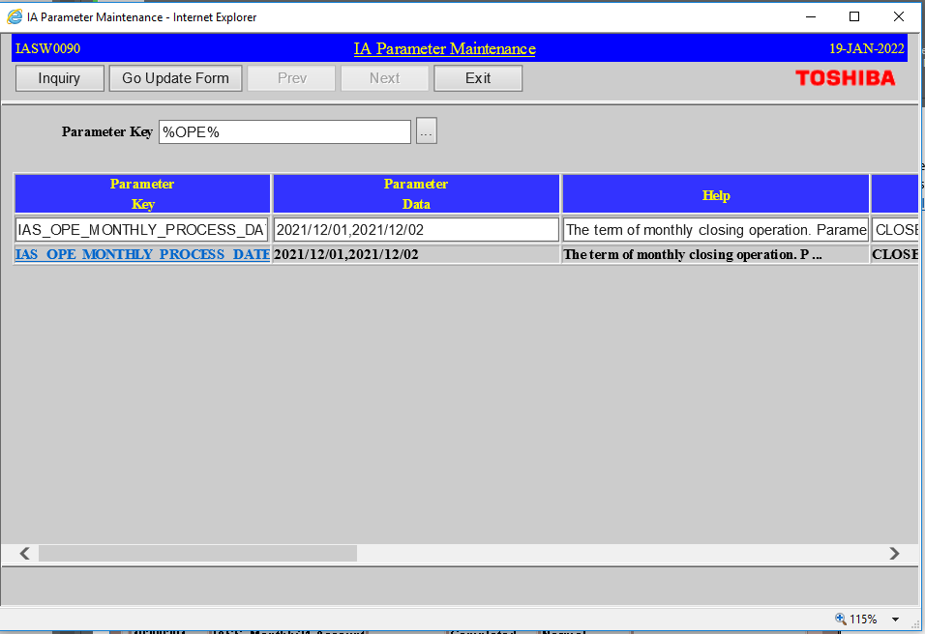
1. Closing na ng IA so need I setup ung IA Parameter Setup(dapat ma setup before mag 8am ng first working day of the following month)

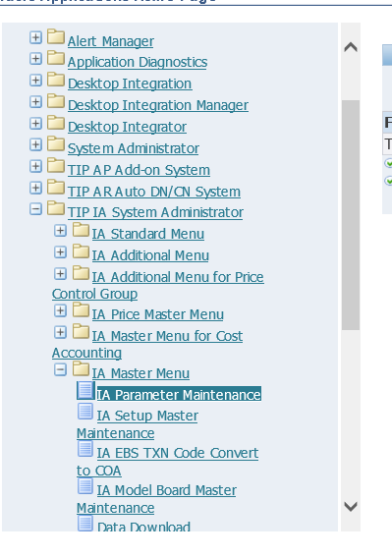

 |  | FIRST WORKING DAY

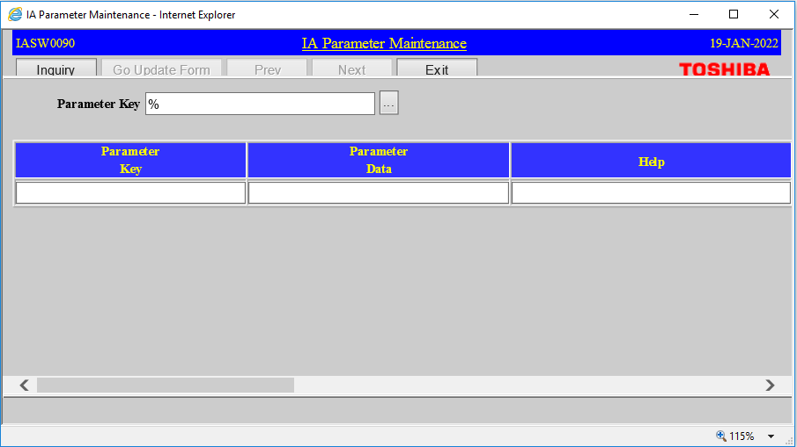

Click Inquiry

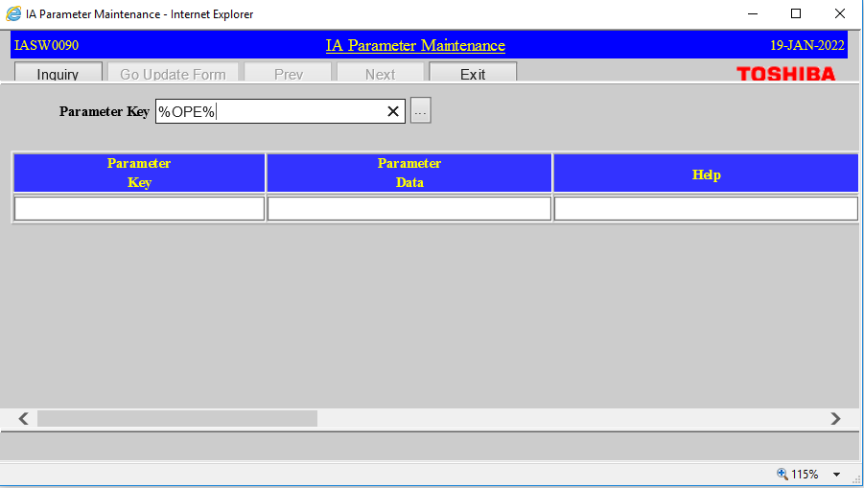

Dito Need nyo I open ung Parameter Maintenance ng following month

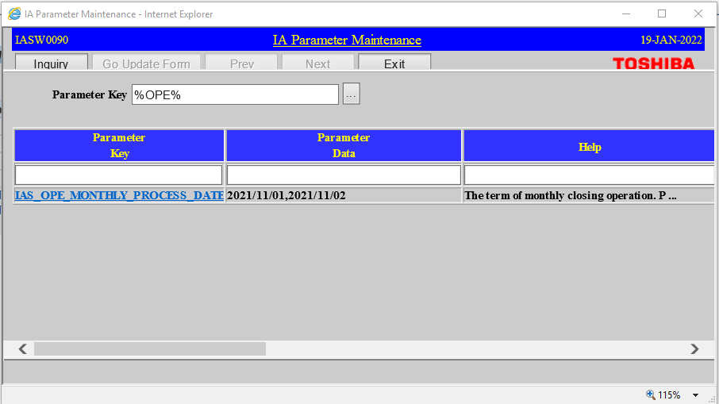

Click ung parameter key then Go to update form

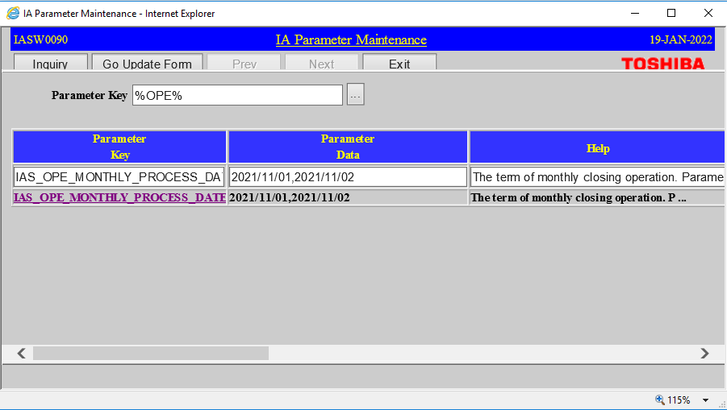

Need I change ung parameter data(following month tapos laging from 1-15)
tapos change to OPEN ung attribute
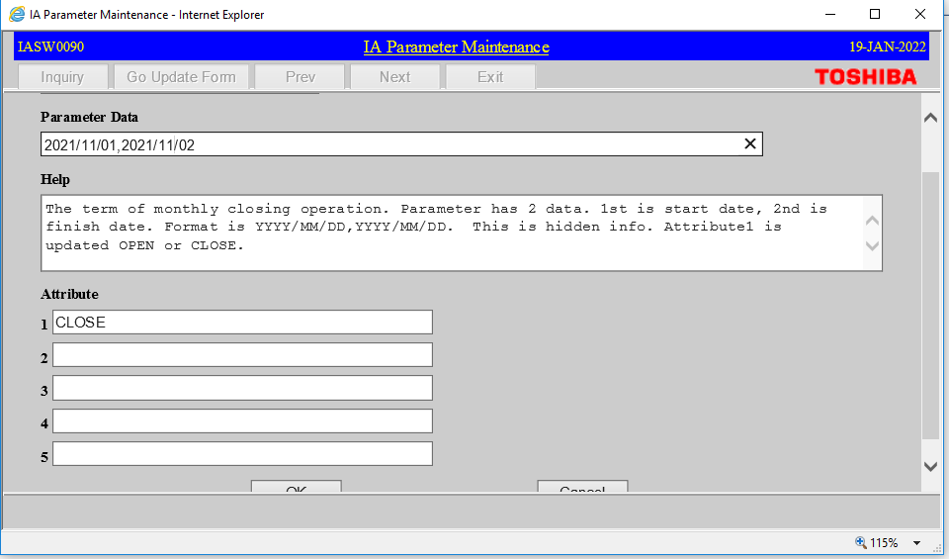

 |  |  | 2022/03/01,2022/03/15

 |  |  | bubuksan ang parameter for next month

 |  |  | NOV sa screenshot then need baguhin to 12 (DEC and 1-15)
 |  |  | THEN CHANGE ATTRIBUTE TO OPEN THEN OK

 |  |  | Attribute: OPEN

Ibig sabihin ung mga transaction sa MMT ng DEC2021 is hindi muna tatawid sa IA kasi need muna iclose lahat ng NOV MMT Transactions

Click ok
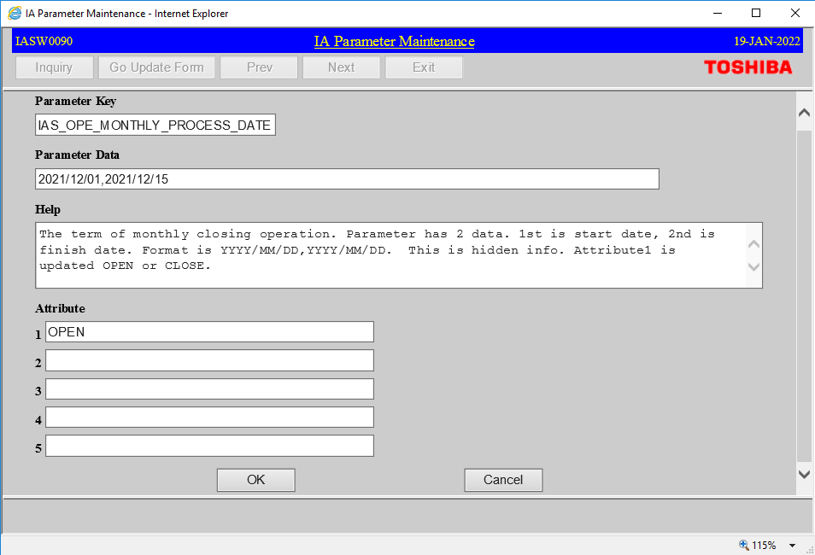

OK nyo lang to

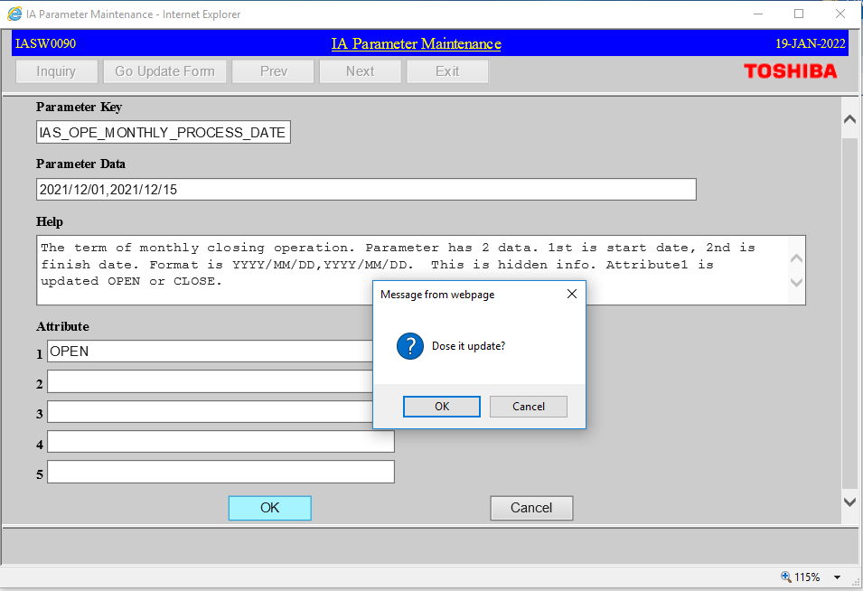

Tapos wait nyo nalng ipaclose ni FIA | Sample Email

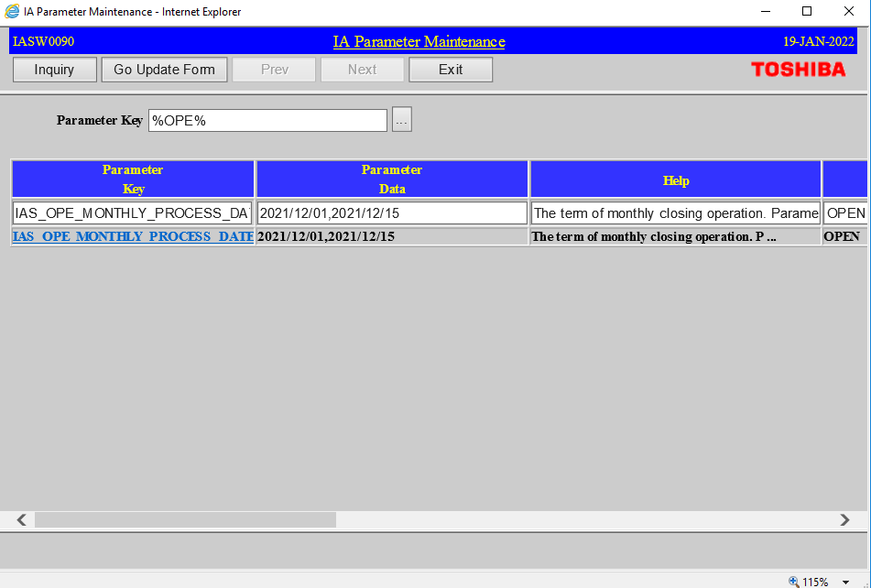

Tapos magsesend ulit si sir buboy nung daily rates setup(dalawang beses kasi sila nagsesetup)

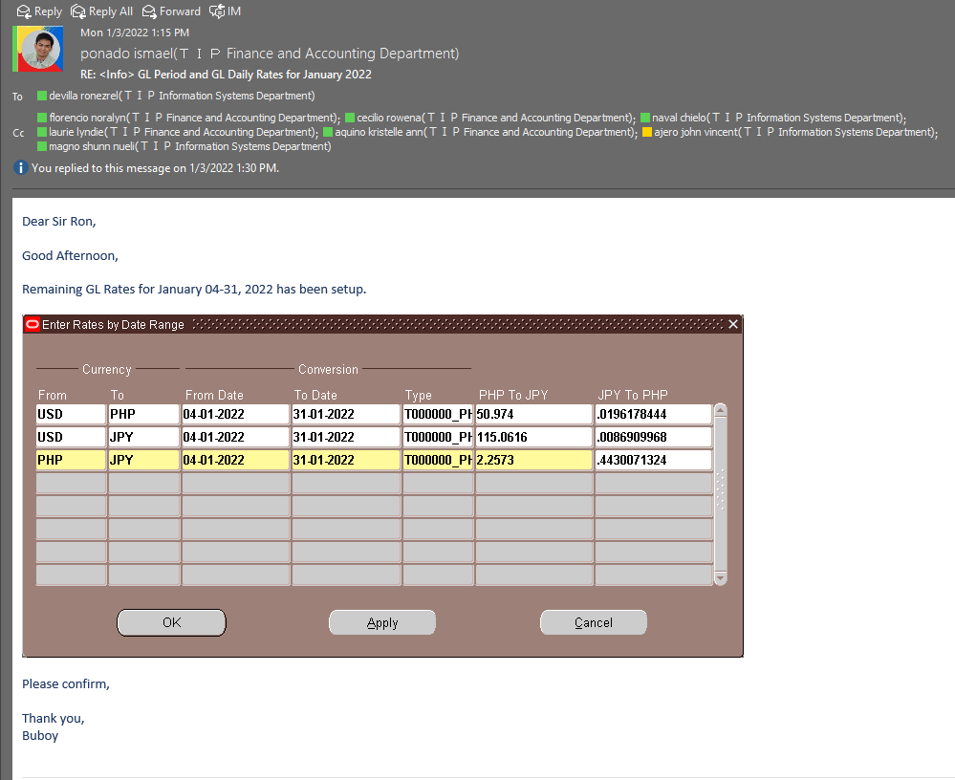

Query nyo lang uli ung GL-Daily-Rates(comment nyo nalng ung creation_date)

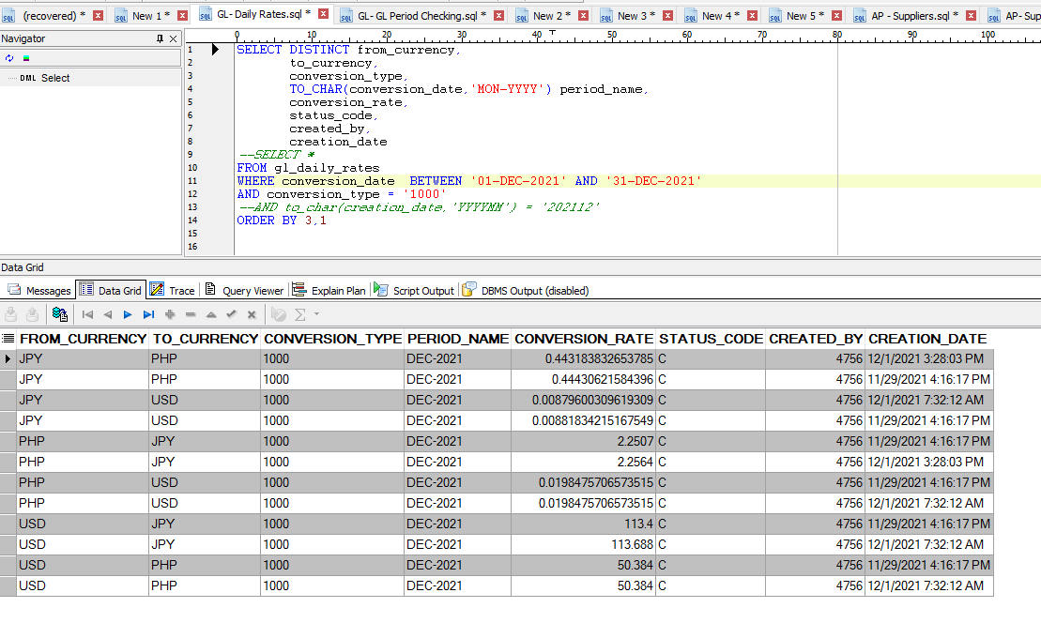
S

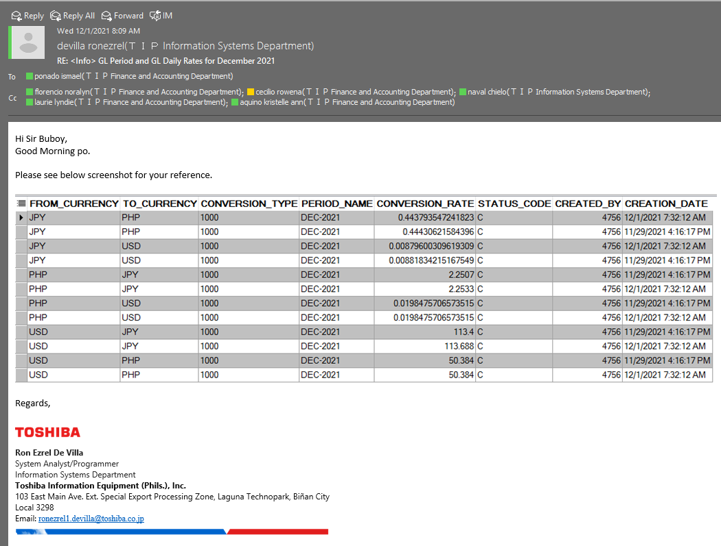

Then if ico-close na si IA mageemail sila

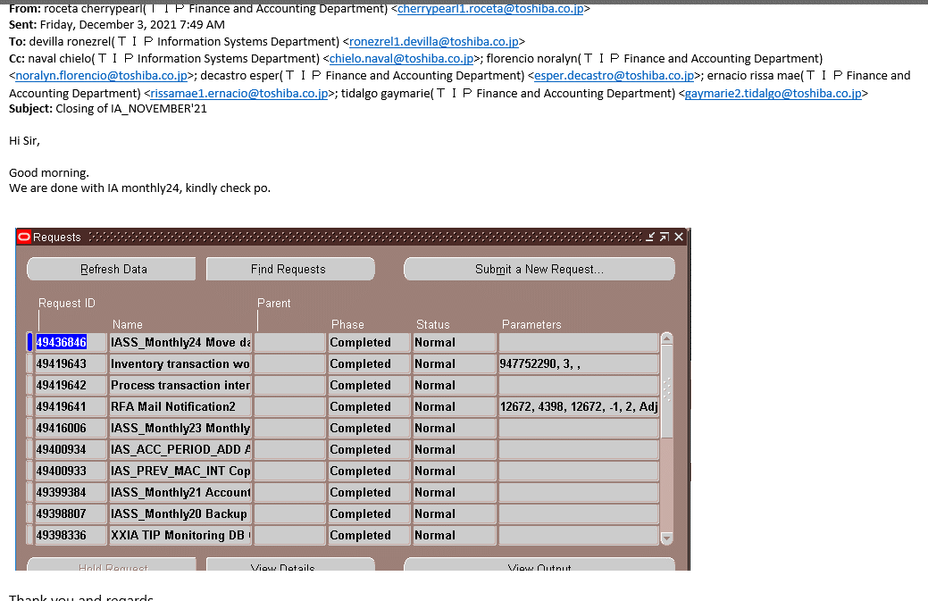

Then ang gagawin natin is Palitan ung status sa IA parameter maintenance.

GO Update Form



Papalitan nyo ung 15, kung kelan sila nagemail D-1
Nagemail sila Dec 3 kaya ichachange nyo siya sa 2 tapos CLOSE ung atribute

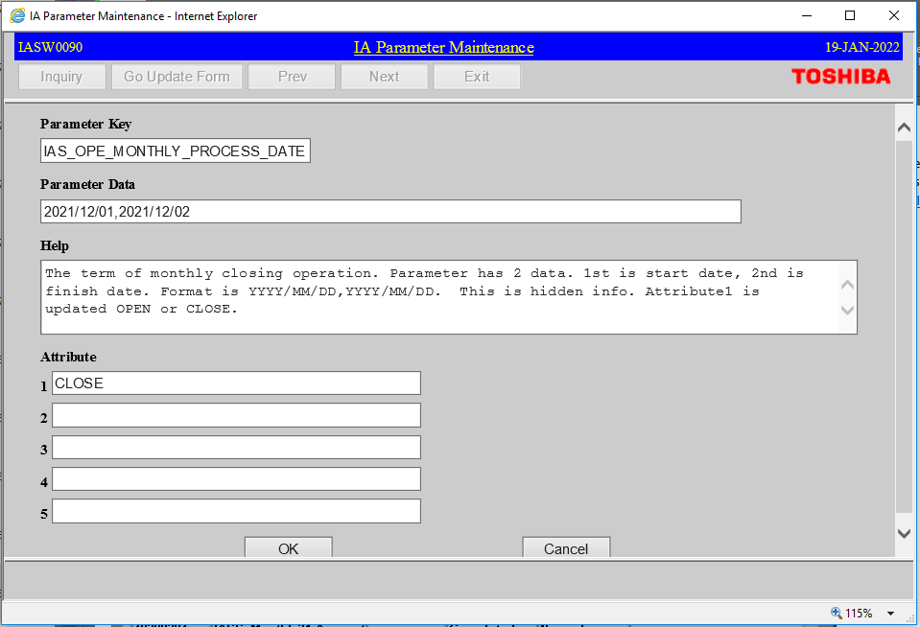

 |  |  | 2022/03/01,2022/02/date_nag_email_minus_1

 |  |  | CLOSE

CLosing Inventory period
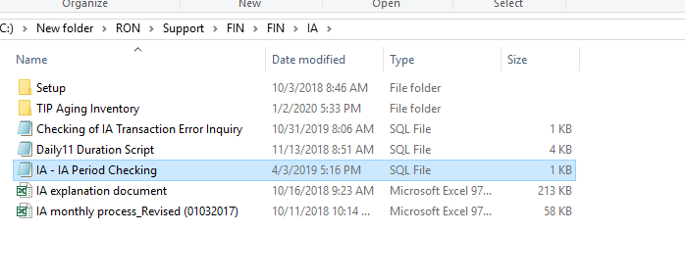
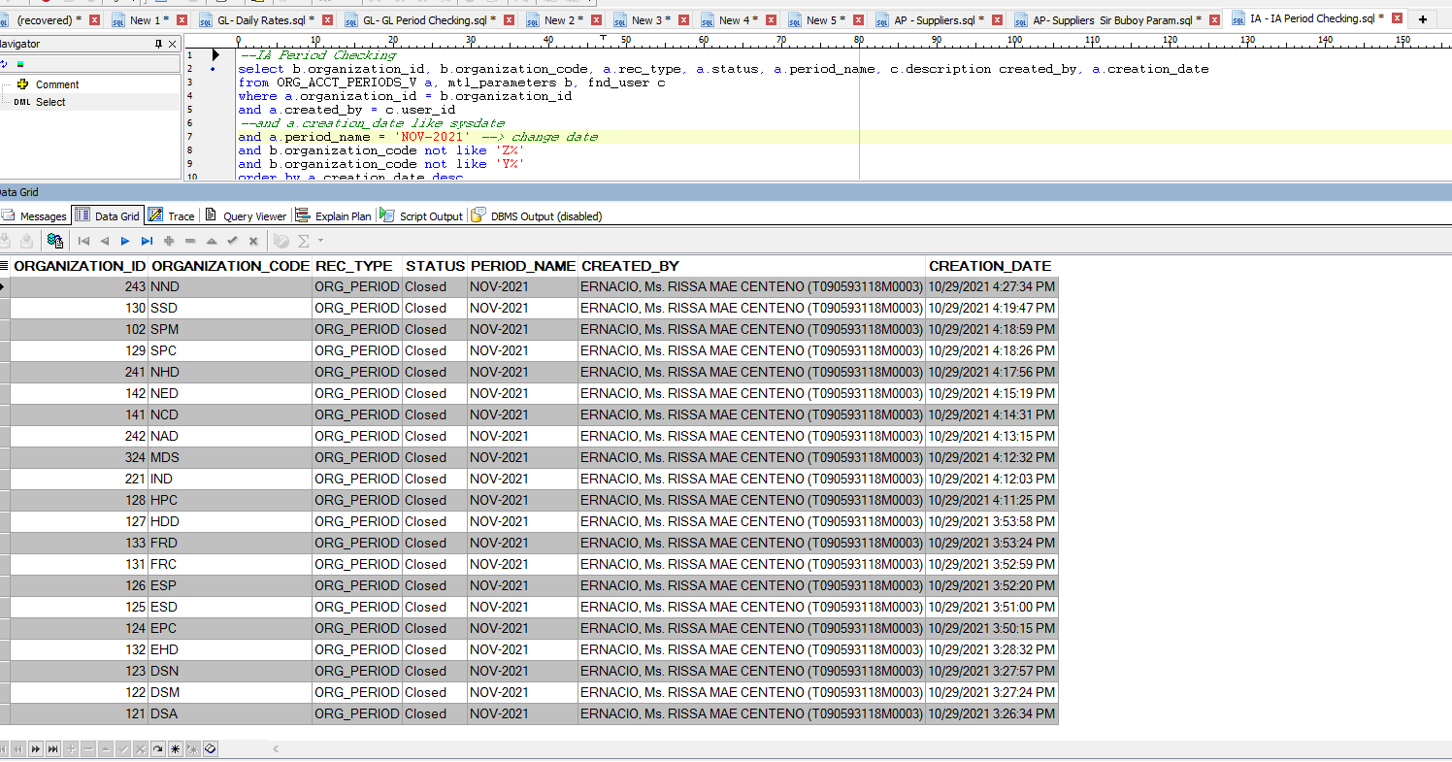
2. Then Mageemail sila ng ganito(antayin nyo nalng depende sa tagal nila magclosing isesend yan)

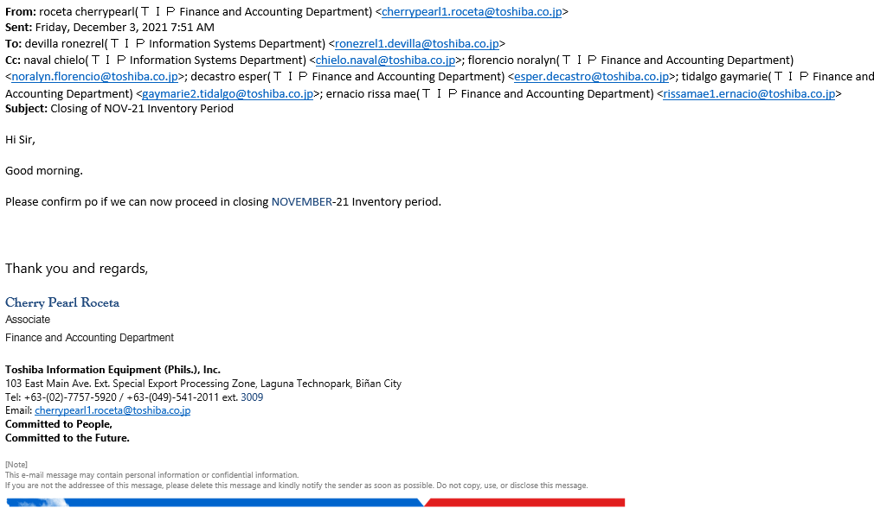

Ieexecute nyo lang TIP INVENTORY PERIOD RECOVERY PROGRAM

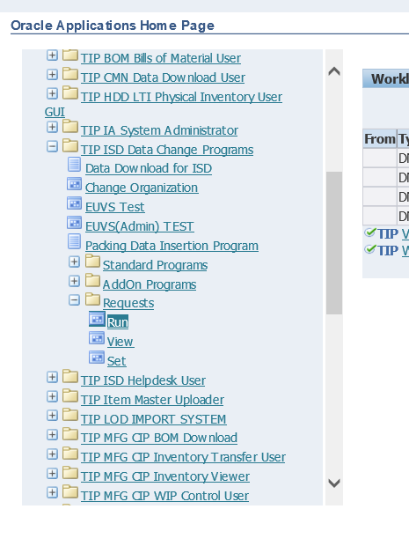

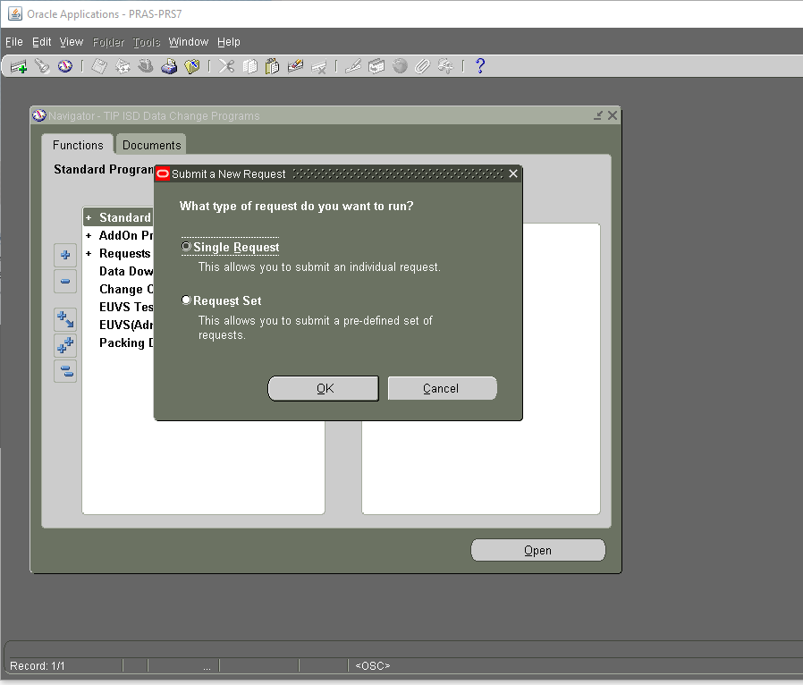

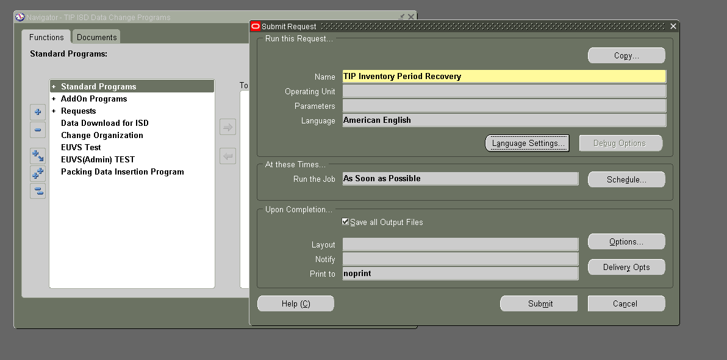

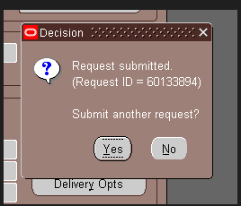

 |  |  |  |  |  | NO

Then antayin nyo lang magcomplete, medyo matagal din execution nito

After clicking submit. this will pop up and just simply click "NO"
 | View request

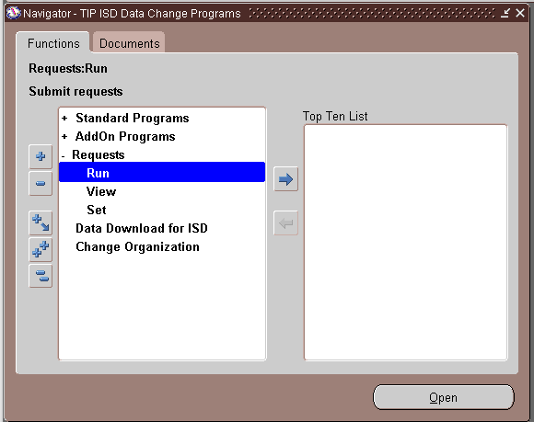

Select "VIEW"

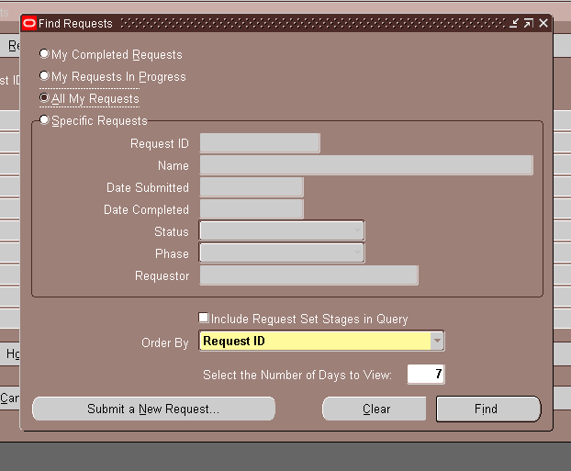

 |  |  |  | today | just view 1(1 means today)

 |  |  |  |  | means for one day only ()

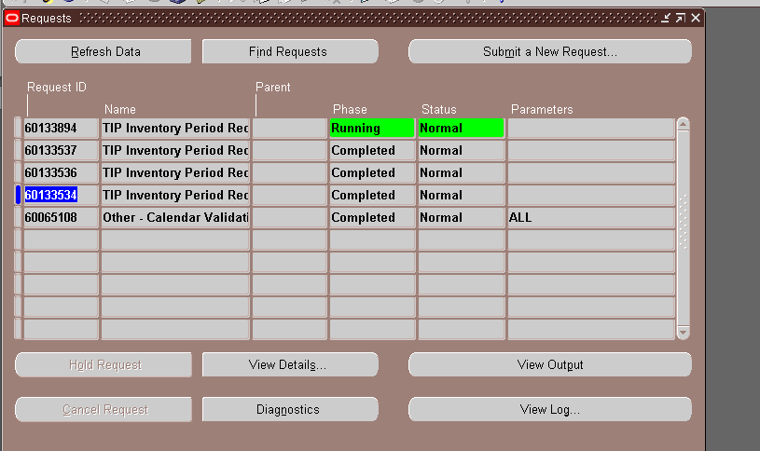

 |  | WHEN YOU WANT TO VIEW JUST CLICK VIEW NOT RUN TO PREVENT DOUBLE EXECUTION

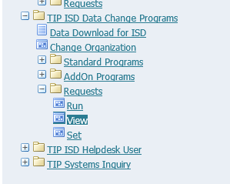

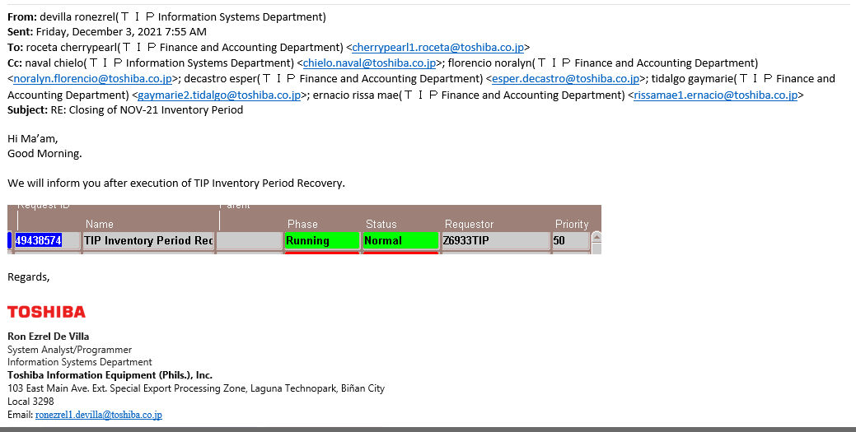

Pag complete na reply uli kayo sa BU

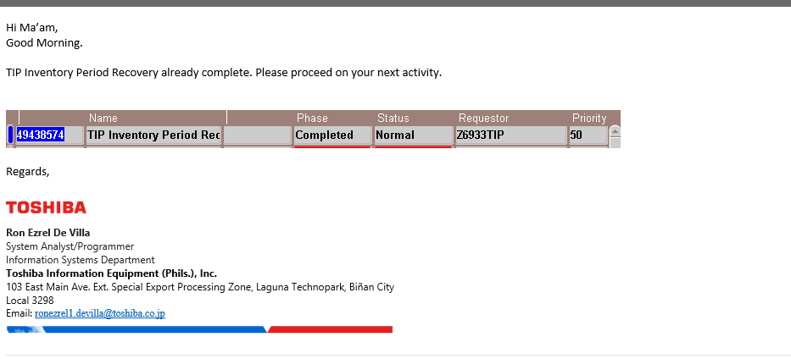

Then ipapaconfirm nila if close na lahat ng organization

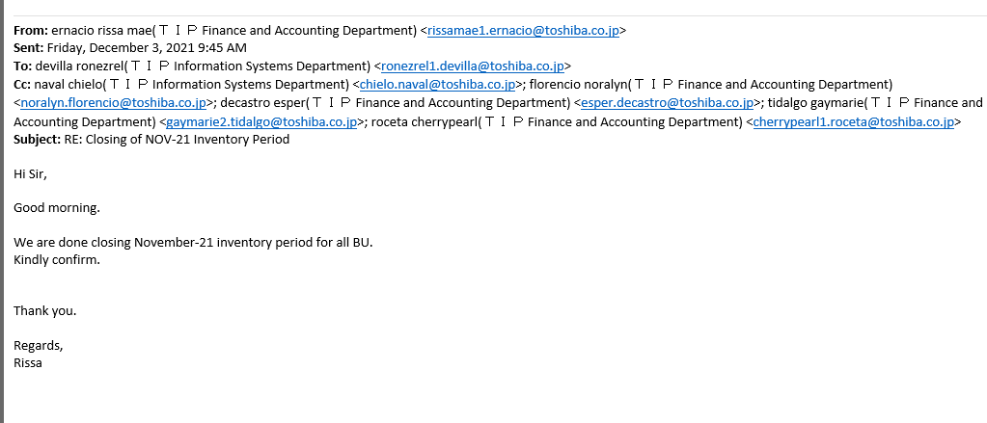

Execute nyo lang tong script then send kay FIA(ilagay ko nalng sa common) |  |  | Sample Email
Path: Z:\ISD-IS3-Application\IS3 System Support\PRAS and HRMS Support\ORACLE PRAS\yy. Turnover\Ron Ezrel A. De VIlla\FIN\FIN\IA

